Cálculos 1
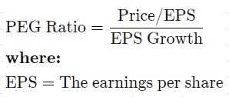
 |  | Disney |  |  | Netflix |  |  | Comcast |  |  | Viacom
 |  | 2017 | 2018 | 2019 | 2017 | 2018 | 2019 | 2017 | 2018 | 2019 | 2017 | 2018 | 2019
Share price ($) | P | 102.74 | 113.03 | 146.93 | 195.54 | 346.71 | 275.3 | 36.27 | 35.84 | 44.84 | 23.69 | 32.99 | 22.47
Earnings per share ($) | E | 5.69 | 8.36 | 6.64 | 0.95 | 2.78 | 3.23 | 1.61 | 2.56 | 2.73 | 4.68 | 4.27 | 3.83
Price / Earnings | P/E | 18.1 | 13.5 | 22.1 | 205.8 | 124.7 | 85.2 | 22.5 | 14.0 | 16.4 | 5.1 | 7.7 | 5.9
Expected Earnings Growth | G |  | 46.9 | -20.6 |  | 192.6 | 16.2 |  | 59.0 | 6.6 |  | -8.8 | -10.3
PEG Ratio | (P/E)/G |  | 0.29 | -1.08 |  | 0.65 | 5.27 |  | 0.24 | 2.47 |  | -0.88 | -0.57
Average |  |  | -0.54 |  |  | 2.63 |  |  | 1.24 |  |  | -0.29

Cálculos 4
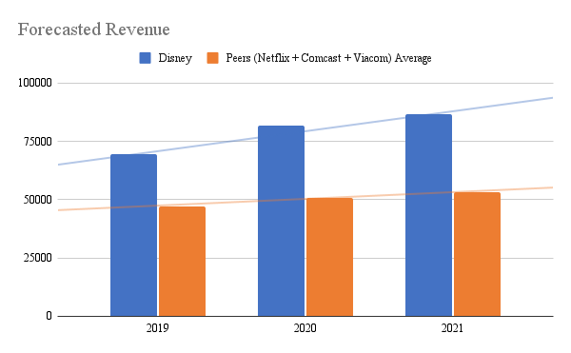
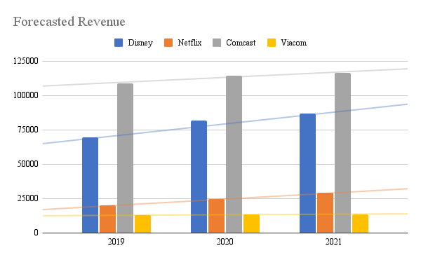
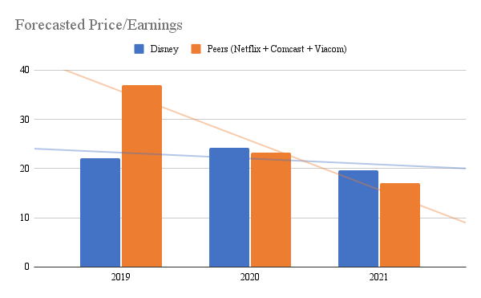
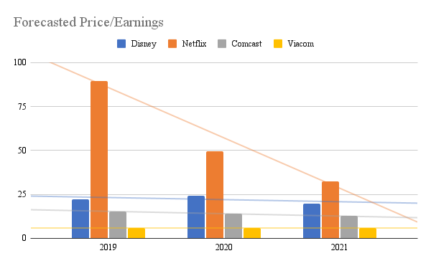
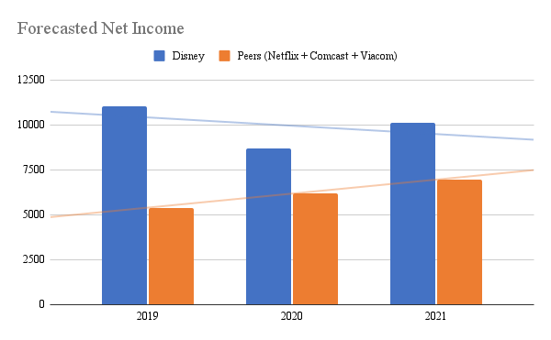
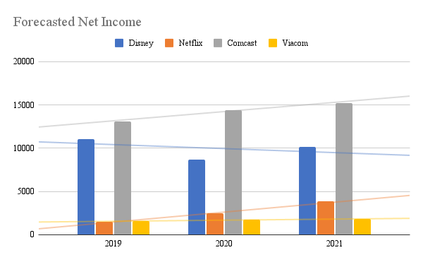
 | Disney |  |  | Peers Average (Netflix + Comcast + Viacom) |  |  | Netflix |  |  | Comcast |  |  | Viacom
 | 2019 | 2020 | 2021 | 2019 | 2020 | 2021 | 2019 | 2020 | 2021 | 2019 | 2020 | 2021 | 2019 | 2020 | 2021
Revenue | 69570 | 81766 | 86723 | 47247.3 | 50779 | 53026.3 | 20134 | 24532 | 29199 | 108770 | 114530 | 116249 | 12838 | 13275 | 13631
Price/Earnings | 22.1 | 24.3 | 19.7 | 36.9 | 23.2 | 17.0 | 89.5 | 49.6 | 32.3 | 15.4 | 14 | 12.7 | 5.9 | 5.9 | 5.9
Net Income | 11054 | 8684 | 10125 | 5389.3 | 6195.0 | 6951.7 | 1528 | 2495 | 3831 | 13092 | 14378 | 15225 | 1548 | 1712 | 1799

Stock Performance
